Goal Seek Tutorial
Goal Seek:
Goal Seek is a tool within Microsoft Excel that performs a "what-if analysis" that enables you to learn what input values would be needed to achieve a desired goal or outcome.
When utilizing Goal Seek you should proceed as follows:
Under the “Data” tab click on the “What-If Analysis" drop down in the “Forecast” section
From that drop down select "Goal Seek"
A "Goal Seek" option box will appear with three values to be manipulated
The first input is “Set cell” which is the cell with linked formulas that you want to change to a specific outcome. Here you will select the specified outcome cell or type in the cell value manually.
The second input is “To value” which is the desired goal or outcome that you want the cell you selected in the first input to be changed to. For example, if you want to break even, you could set this value to 0 or if you wanted profit of $5,000 you could input 5000.
The third and final input is “By changing cell” is the cell that contains the variable you want to change that is linked to the formulaic output cell that was chosen in the “Set cell” input
Click OK
Now the “Set cell” should have been modified to the “To value” you chose as well as the cell value that you designated as the “By changing cell” variable.

Charts Tutorial
Charts:
Charts are a way to easily visualize your data sets in order to present findings or to gain further insights.
There are a wide variety of chart types that you can utilize in Microsoft Excel. The most common types used are bar/column charts to show comparisons of values and line charts to show trends. Below is an example of how to set up a chart:
The first step is to select the data you would like to chart out. In general, you want to format your data in a way that you have column headers like days and then row headers such as your cost or company. See the below as an example:
Highlight the data you what to create a chart of:
Go to the “Insert” tab and you will see a section titled “Charts”
Click on “Recommended Charts”, which will generate an “Insert Chart” window
Within this window you have two tabs: “Recommended Charts” and “All Charts”
The “Recommended Charts” tab will give you several charts that are recommended for the specific data set you have chosen
The “All Charts” tab will let you dictate the type of chart you want. You will see that on this tab, the left-hand side shows all the different chart types and as you click on them you will see the right-hand pane generate the different subtypes of charts available for that group.
On the “All Charts” tab, choose the “Line” option from the left-hand pane
On the right-hand side look through the various options. If we want to show a trend line with the data points marked, we would choose the option titled “Line with Markers”. Chose this option and click “OK”
The below chart will generate
You will see here that this is a default chart. You can make many changes such as the following:
Double click in the “Chart Title” and add your own chart name
You can right click on either the X (here Day 1, Day 2,….) or Y (here 0-100) axes and click “Format Axis” pane will generate giving you a plethora of options to modify the axes
Another set of easy tools is to click on the chart and within the “Chart Design” ribbon click on “Add Chart Element” within the “Chart Layouts” section
Within this section you can add titles to the axes, add other labels, create legends, etc.

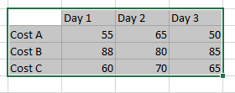

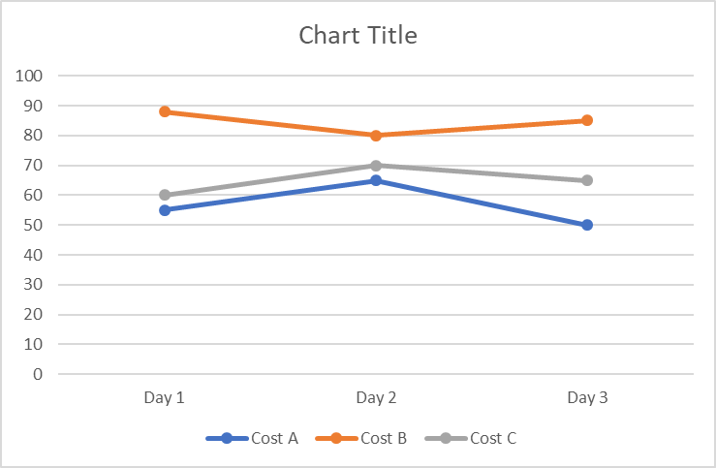

Conditional Formatting Tutorial
Conditional Formatting:
Conditional Formatting is a tool within Microsoft Excel that allows you to format/highlight cells based on a certain criteria
When utilizing Conditional Formatting you should proceed as follows:
The first step is to choose and then highlight the cell or cells you wish to format based on the criterial. You may choose entire columns or rows or a subset of cells.
Under the “Home” tab click on “Conditional Formatting” in the “Styles Section”
From that drop down choose from either "Highlight Cell Rules" or “Top/Bottom Rules”
If you choose "Highlight Cell Rules" you will be given a number options including "Less than", "Greater Than", "Equal to" and so on. Chose the option that mirrors your intent.
Once you do this, a prompt will appear where you can input the value you that you using as your benchmark or reference and then you can choose the format that the cells which meet this criteria will appear.
After this click "OK".
if you choose "Top/Bottom Rules" you will be given options such as "Bottom 10 Items", "Top 10 Items", "Top 10%", "Above Average" and so on.
Once you choose and option you can modify the percentage or number of items as you like then you can choose the format the cells which meet this criteria will appear.
After this click "OK".
You should now be able to scroll through the data selected in step one and see which data meets the criteria based on which cells are now formatted.

